Cost details by year
Avg Cost of making chocolate to manufacturer , Avg Selling price offered by manufacturer and Approx Margin

Table
Dates | 2019 | 2020 | 2021 | 2022 | 2023
Avg Cost of making chocolate to supplier | 5.82 | 5.48 | 5.3 | 6.66 | 6.66
Avg Selling price offered by supplier | 10.05 | 10.34 | 10.88 | 11.54 | 13.25
Approx Margin for supplier | 4.22 | 4.85 | 5.57 | 4.87 | 6.58
Selling price for Coop | 20 | 20 | 20 | 20 | 20
Profit for Coop | 9.95 | 9.66 | 9.12 | 8.46 | 6.75

increasedecrease in cost of In
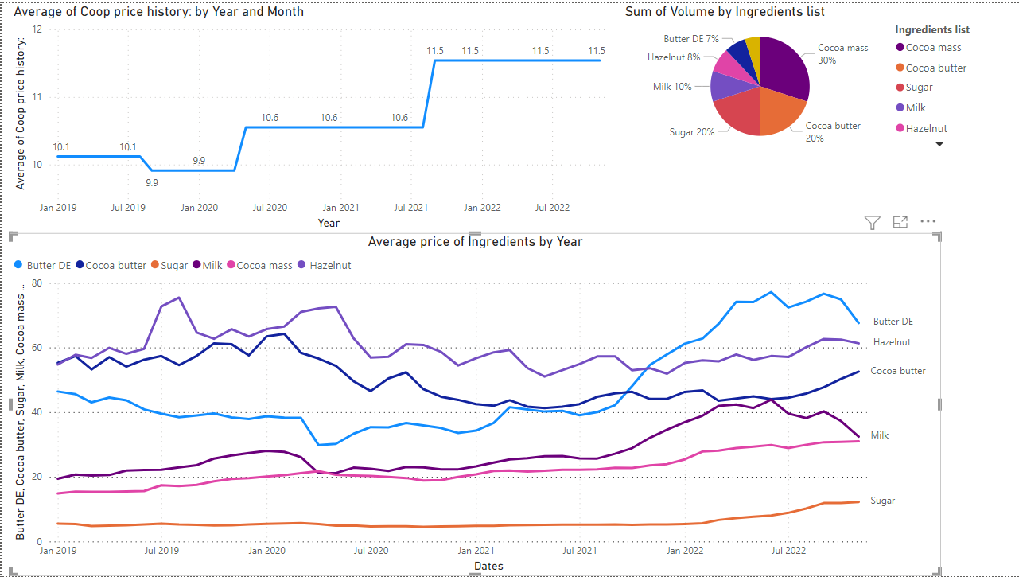
 | Raw material price by year |  |  |  |  |  | Change in raw material price consecutively by year
DATES | Kakaomassa | Kakaosmör | Mjölk | Socker | Hasselnötter | Smör | DATES | Kokoa Mass | Kakaosmör | Mjölk | Socker | Hasselnötter | Smör
2019 | 16.795 | 56.855833333 | 5.1508333333 | 41.398333333 | 22.781666667 | 62.598333333 | 2019
2020 | 20.171666667 | 52.621666667 | 4.9816666667 | 35.0325 | 23.4825 | 63.290833333 | 2020 | 3.376666667 | -4.234166667 | -0.1691666667 | -6.365833333 | 0.7008333333 | 0.6925
2021 | 22.305 | 43.360833333 | 5.1191666667 | 42.973333333 | 27.1325 | 54.985833333 | 2021 | 2.133333333 | -9.260833333 | 0.1375 | 7.940833333 | 3.65 | -8.305
2022 | 29.144545455 | 46.391818182 | 8.6909090909 | 71.100909091 | 39.351818182 | 58.336363636 | 2022 | 6.839545455 | 3.030984848 | 3.571742424 | 28.12757576 | 12.21931818 | 3.350530303

